中箱SN
No. | Lots | The corresponding 23 numbers of SN code in N95 Respirator middle carton |  |  |  |  |  |  |  |  |  |  |  |  |  |  |  |  |  |  |  |  |  |  | Repirator Qty （pcs）
 |  | 1 | 2 | 3 | 4 | 5 | 6 | 7 | 8 | 9 | 10 | 11 | 12 | 13 | 14 | 15 | 16 | 17 | 18 | 19 | 20 | 21 | 22 | 23
1 | 6200609 | C | X | X | X | X | X | X | X | X | X | X | X | X | X | X | A | X | X | X | X | X | X | X | 792,960
2 | 6200609 | C | X | X | X | X | X | X | X | X | X | X | X | X | X | X | S | X | X | X | X | X | X | X | 1,680,260
3 | 6200610 | C | X | X | X | X | X | X | X | X | X | X | X | X | X | X | S | X | X | X | X | X | X | X | 1,700,920
4 | 6200611 | C | X | X | X | X | X | X | X | X | X | X | X | X | X | X | A | X | X | X | X | X | X | X | 491,520
5 | 6200612 | C | X | X | X | X | X | X | X | X | X | X | X | X | X | X | S | X | X | X | X | X | X | X | 1,884,780
6 | 6200613 | C | X | X | X | X | X | X | X | X | X | X | X | X | X | X | S | X | X | X | X | X | X | X | 1,979,320
7 | 6200614 | C | X | X | X | X | X | X | X | X | X | X | X | X | X | X | A | X | X | X | X | X | X | X | 480,000
8 | 6200617 | C | A | X | X | X | X | X | X | X | X | X | X | X | X | X | X | X | X | X | X | X | X | X | 1,007,040
9 | 6200619 | C | A | X | X | X | X | X | X | X | X | X | X | X | X | X | X | X | X | X | X | X | X | X | 1,320,000
10 | 6200619 | C | 6 | X | X | X | X | X | X | X | X | X | X | X | X | X | X | X | X | X | X | X | X | X | 1,182,500
11 | 6200619 | C | 8 | X | X | X | X | X | X | X | X | X | X | X | X | X | X | X | X | X | X | X | X | X | 427,200
12 | 6200620 | C | S | X | X | X | X | X | X | X | X | X | X | X | X | X | X | X | X | X | X | X | X | X | 1,713,180
13 | 6200621 | C | A | X | X | X | X | X | X | X | X | X | X | X | X | X | X | X | X | X | X | X | X | X | 720,000
14 | 6200622 | C | 6 | X | X | X | X | X | X | X | X | X | X | X | X | X | X | X | X | X | X | X | X | X | 1,450,860
15 | 6200623 | C | A | X | X | X | X | X | X | X | X | X | X | X | X | X | X | X | X | X | X | X | X | X | 1,178,880
16 | 6200623 | C | 6 | X | X | X | X | X | X | X | X | X | X | X | X | X | X | X | X | X | X | X | X | X | 1,677,280
17 | 6200623 | C | Z | X | X | X | X | X | X | X | X | X | X | X | X | X | X | X | X | X | X | X | X | X | 1,367,200
18 | 6200624 | C | A | X | X | X | X | X | X | X | X | X | X | X | X | X | X | X | X | X | X | X | X | X | 1,328,640
19 | 6200624 | C | 6 | X | X | X | X | X | X | X | X | X | X | X | X | X | X | X | X | X | X | X | X | X | 1,585,160
20 | 6200625 | C | A | X | X | X | X | X | X | X | X | X | X | X | X | X | X | X | X | X | X | X | X | X | 1,136,640
21 | 6200627 | C | 6 | X | X | X | X | X | X | X | X | X | X | X | X | X | X | X | X | X | X | X | X | X | 1,931,840
22 | 6200627 | C | Z | X | X | X | X | X | X | X | X | X | X | X | X | X | X | X | X | X | X | X | X | X | 3,833,780
23 | 6200628 | C | A | X | X | X | X | X | X | X | X | X | X | X | X | X | X | X | X | X | X | X | X | X | 1,480,320
24 | 6200628 | C | S | X | X | X | X | X | X | X | X | X | X | X | X | X | X | X | X | X | X | X | X | X | 2,614,260
25 | 6200630 | C | S | X | X | X | X | X | X | X | X | X | X | X | X | X | X | X | X | X | X | X | X | X | 2,724,020
26 | 6200701 | C | S | X | X | X | X | X | X | X | X | X | X | X | X | X | X | X | X | X | X | X | X | X | 1,301,860
27 | 6200702 | C | 6 | X | X | X | X | X | X | X | X | X | X | X | X | X | X | X | X | X | X | X | X | X | 2,755,500
28 | 6200702 | C | S | X | X | X | X | X | X | X | X | X | X | X | X | X | X | X | X | X | X | X | X | X | 2,542,180
29 | 6200703 | C | Z | X | X | X | X | X | X | X | X | X | X | X | X | X | X | X | X | X | X | X | X | X | 3,170,880
30 | 6200703 | C | 8 | X | X | X | X | X | X | X | X | X | X | X | X | X | X | X | X | X | X | X | X | X | 5,254,540
31 | 6200704 | C | 6 | X | X | X | X | X | X | X | X | X | X | X | X | X | X | X | X | X | X | X | X | X | 2,104,580
32 | 6200709 | C | 6 | X | X | X | X | X | X | X | X | X | X | X | X | X | X | X | X | X | X | X | X | X | 1,910,000
33 | 6200710 | C | S | X | X | X | X | X | X | X | X | X | X | X | X | X | X | X | X | X | X | X | X | X | 4,236,680
34 | 6200711 | C | Z | X | X | X | X | X | X | X | X | X | X | X | X | X | X | X | X | X | X | X | X | X | 5,600,720
35 | 6200712 | C | 8 | X | X | X | X | X | X | X | X | X | X | X | X | X | X | X | X | X | X | X | X | X | 7,441,100
36 | 6200713 | C | 3 | X | X | X | X | X | X | X | X | X | X | X | X | X | X | X | X | X | X | X | X | X | 1,000,320
37 | 6200714 | C | 8 | X | X | X | X | X | X | X | X | X | X | X | X | X | X | X | X | X | X | X | X | X | 6,497,120
Total |  |  |  |  |  |  |  |  |  |  |  |  |  |  |  |  |  |  |  |  |  |  |  |  | 81,504,040
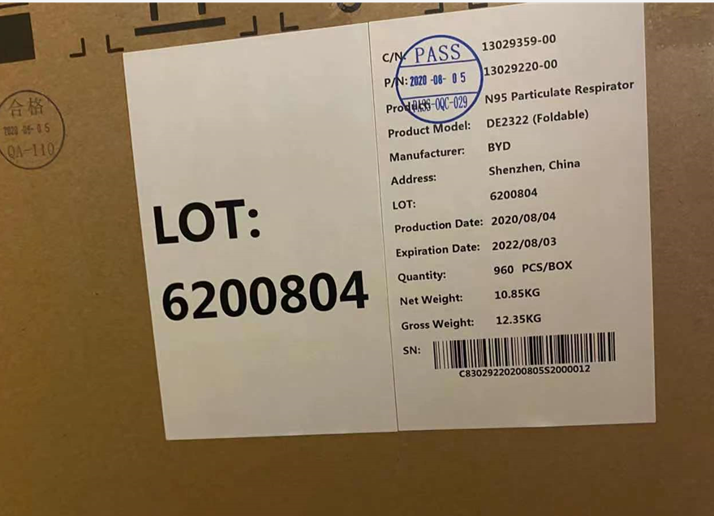
Step1：Identify the LOT No.
Step 2: The "C" will be constant for all cartons. Identify the 2nd or the 16th character of the SN code to verify if affected.

